Sheet2
Product | (All)
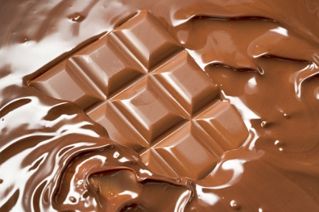
Row Labels | Sum of Unit | Sum of Amount | Sum of Amount2
Barr Faughny | 4110 | $123,949 | 13.87%
Brien Boise | 4704 | $98,084 | 10.97%
Ches Bonnell | 5295 | $149,975 | 16.78%
Curtice Advani | 5925 | $130,697 | 14.62%
Gunar Cockshoot | 5007 | $106,834 | 11.95%
DARK CHOCOLATE'S
Husein Augar | 4554 | $132,580 | 14.83%
Ram Mahesh | 4686 | $151,599 | 16.96%
Grand Total | 34281 | $893,718 | 100.00%

